Energy Comments
Compliance Schedule - To be completed by the GLA Energy Officer

 | Policy | Policy Sub-Area | Required Data (In line with EAG) | Status | Policy Compliance | GLA Comment Reference
 | SI 1 - Improving Air Quality (relating only to air quality impacts of energy systems; separate air quality officer consultation required) | Measures/design features to reduce exposure to air pollution | Measures to minimise NOx emissions from energy systems | N/A | Compliant | 0

 | SI 2 - Minimising Greenhouse Gas Emissions (excluding SI-2-F- WLC; separate WLC consultation required) | Be Lean emissions reduction | Details of energy efficiency measures | Received but items still outstanding | Potential Compliance-Pending Information | 3,4
 |  |  | Alignment with Cooling and Overheating | Received but items still outstanding |  | 6,7
 |  |  | Be Lean 10% and/or 15% reduction achieved | Not yet received - applicant to submit and provide reference ---> |  | 3,4
 |  |  | EUI and space heating demands provided | Received and nothing further required |  | 14
 |  | Be Clean | SI 3 - Energy Infrastructure data provided (see below) | Received but items still outstanding |  | 8,9
 |  | Be Green Renewable generation maximisation | Roof Layout detailing maximised PV proposal | Received but items still outstanding |  | 10
 |  |  | PV array metrics provided | Received but items still outstanding |  | 10
 |  |  | Heat Pump arrangement confirmed | Received but items still outstanding |  | 11
 |  | Total carbon reduction on-site | Confirmation of carbon emission factors used | Received; SAP 10.2 proposed and nothing further required
 |  |  | GLA carbon emission reporting spreadsheet v2.0 | Received but items still outstanding |  | 2
 |  |  | Supporting Modelling Outputs (BRUKLs/DER Worksheets) | Received but items still outstanding |  | 16
 |  |  | On-site minimum met | Received but items still outstanding |  | 0
 |  | Carbon offset payment confirmed | Draft S106 wording of carbon offset (from borough) | Not yet received - applicant to submit and provide reference ---> |  | 15
 |  | Be Seen commitment provided | Written confirmation/understanding of data requirements | Received and nothing further required |  | 13
 |  |  | Confirmation of Planning Stage 1 submission | Not yet received - applicant to submit and provide reference ---> |  | 13

 | SI 3 - Energy Infrastructure | Aligned with heating hierarchy | Applicant/Heat Network Stakeholder correspondence | Received but items still outstanding | Potential Compliance-Pending Information | 8
 |  |  | Heating system details provided | Received and nothing further required |  | 9
 |  | Acceptable Design | Futureproofed DHN connection drawings | Received and nothing further required |  | 9
 |  |  | Site heat network drawings | Received and nothing further required |  | 9
 |  |  | Details of management measures proposed | Not yet received - applicant to submit and provide reference ---> |  | 5

 | SI 4 - Managing Heat Risk | Aligned with cooling hierarchy | Completed GHA overheating tool | Received and nothing further required | Potential Compliance-Pending Information | 0
 |  |  | CIBSE dynamic overheating analysis | Received but items still outstanding |  | 6,7
 |  |  | Confirmation that cooling criteria have been met | Received but items still outstanding |  | 7

 | Application Metrics | Outline Value (if applicable) | Detailed Stage 1 Value | Detailed Final Value
 | Domestic carbon emissions |  | 63%
 | Non-domestic carbon emissions |  | 113%
 | Carbon offset payment amount |  | £1,452,360
 | kWp renewable generation capacity |  | TBC
 | kWh annual renewable energy generation |  | 464,194
 | Sqm of proposed PV array |  | 2,223
 | Calculated SCOP of heat pumps |  | 2.8
 | Heat fraction provided by heat pumps |  | 95%
 | Flow/Return temperatures proposed |  | TBC
 | Distribution loss assumption |  | 1.5
 | Energy Use Intensity |  | 89 (resi), 98.8 (non-resi)
 | Space Heating Demand |  | 12.8 (resi), 5.2 (non-resi)
 | Whole Life Carbon Assessment |  | Received and Under Separate Consultation
 | Innovative Features

Detailed Comments - Applicant MUST provide detailed responses to the below items
Comment No. | GLA Stage I | Applicant's Stage I response | GLA Post Stage I response | Applicant's Post Stage I response
 | Date: 18/02/25 | 2025-08-21 | Date: 10/11/2025 | Date: 10/04/2026
Documents to be secured
 | Energy & Sustainability Statement (19/12/2024)
General compliance comments

1 | The energy strategy could be compliant with the London Plan 2021 policies however, the applicant is required to submit the additional information to demonstrate policy compliance which has been requested below. The applicant's response to GLA's energy comments should be provided directly within this Energy Memo. Any wider supporting material submitted should be referenced within the applicant's memo response.
2 | The applicant has submitted the GLA’s Carbon Emission Reporting spreadsheet in excel format. The applicant should ensure that all tabs are completed as per methodology on Introduction tab. [The link to the spreadsheet can be found here: https://www.london.gov.uk/programmes-strategies/planning/planning-applications-and-decisions/pre-planning-application-meeting-service/energy-planning-guidance] The applicant should note that this item will need to be resubmitted throughout the consultation process if any changes to the modelling occur. | The GLA Carbon Emission Reporting spreadsheet has been updated following additional modelling carried out: 4470-6-1-10-CALC- GNLP Site - Part_l_2021_gla_carbon_emission_reporting_spreadsheet-D | This should be updated in line with below commentary. The applicant should note that this file was called - whole life carbon assessment spreadsheet on GLA portal. This item remains outstanding. | This has been noted and will be amended. Additionally, the GLA Carbon Emission Reporting spreadsheet has been updated following additional modelling carried out: 4470-6-1-10-CALC- GNLP Site - Part_l_2021_gla_carbon_emission_reporting_spreadsheet-E
Be Lean
3 | Based on the information provided, the domestic element of the proposed development is estimated to achieve a reduction of 190.6 tonnes per annum (15%) in regulated CO2 emissions compared to a 2021 Building Regulations compliant development. The applicant is proposing bespoke thermal bridging values The applicant should confirm the construction type proposed for the residential building and confirm that the psi values assumed is achievable, detailing previous experience delivering the assumed level of thermal bridging performance for a similar construction type. The applicant also appears to have only modelled 29 SAPs to represent c. 1500 units. This means less than 1% of the total units have been modelled. The applicant should provide a robust and detailed explanation of the sampling technique and explain how all unit types have been captured. They should consider modelling more units to provide a more representative model base. | Some of the assumed Psi values used within the SAP calcualtions have been based upon existing thermal bridging modelling, carried out on a similar buiding type of another project. These will be added to the appendix of the Energy & Sustainability Statement as evidence. See seperate report for ps-value examples: 4470-4-2-REP-ES07-A - Thermal Bridging Analysis Examples The original SAP sample set of 29 units was limited to Block A. A larger sample of residential units, across all of the residentials blocks has been included within the SAP assessment to better represent the site as a whole. An additional 17 units have been modelled across Blocks B - E. This can be seen on the revised GLA Carbon Emission Reporting spreadsheet: 4470-6-1-10-CALC- GNLP Site - Part_l_2021_gla_carbon_emission_reporting_spreadsheet-D | This is welcomed. An updated sample size has been provided that provides a better representation of all blocks. Details on previously achieved thermal bridging has been provided. Nothing further required. | -
4 | Based on the information provided, the non-domestic element of the proposed development is estimated to achieve a reduction of 10.3 tonnes per annum (18%) in regulated CO2 emissions compared to a 2021 Building Regulations compliant development. The applicant should revise their modelling as the hot water system for both the be lean and green sections should be modelled separately from the heating system with an efficiency of 2.86 for be lean as per GLA assessment guidance. The applicant also appears to have applied a significant amount of PV to the non-domestic spaces, in particular the commercial blocks - 2 of these are achieving a negative BER of 10.54. The applicant should provide a robust breakdown of how the PV has been attributed across the site and where it will be used. It seems unlikely that 107kWh/m2 will be used on a 400m2 commercial space with a very low demand. No PV appears to have been attributed to the residential units. The applicant should also revisit and revise their COP and SEER estimates as they seme very high. Robust justification will need to be provided for these. | 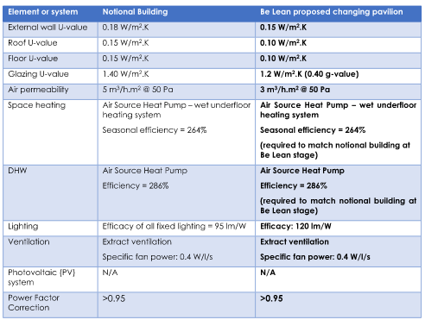 Regarding the comment about the hot water system and space heating system to be modelled seperately for Be Lean, this had already been taken into consideration in the initial modelling/report - as per the table above. It is the design intention that electricity generted by the PV occupying the residential blocks' roof will supply the needs of the commercial units and the landlord requirements. It is not intended to serve the apartments due to the complexities of enabling this. Please see response to comment 11 below regarding SCOP and SEER figures used in the clacualtions. | Be lean efficiencies for cooling should be revised to match the notional efficiencies for the BRUKL modelling. Based on the information provided, the non-domestic element of the proposed development is estimated to achieve a reduction of 5.1 tonnes per annum (13%) in regulated CO2 emissions compared to a 2021 Building Regulations compliant development. With the cooling reduction, this saving is likely to drop further. The applicant should consider further passive measures to achieve compliance. Comment regarding PV is appreciated. This item remains outstanding. | This has been updated as per the request and updated in the latest revision L of the energy report.
5 | The applicant should consider and minimise the estimated energy costs to occupants and outline how they are committed to protecting the consumer from high prices. This should cover the parameters set out in the guidance and include a confirmation of the quality assurance mechanisms that will be considered as part of the strategy. See GLA Energy Assessment Guidance June 2022 paragraphs 7.16-7.19 for further details. | The predicted residential space heating demand is 12.79 kWh/m2/year (see 4470-6-1-10-CALC- GNLP Site - Part_l_2021_gla_carbon_emission_reporting_spreadsheet-D). For a typical 70m2 apartment this equates to 895.3kWh/year. Based upon the heat network ASHP efficieny of 280% and SAP 10.2 primary energy factor of 1.501 for grid electricity: (895.3kWh / 2.8) * 1.501 = 479.94 kWh/year Average unit price of electricty is 27.03 pence per kWh (June 2025). Therefore, annual cost for space heating is approximately £130 per year. REGAL TO COMMENT ON QUALITY ASSURANCE MECHANISMS AND ADDITIONAL COST CONSIDERATIONS. | The prediction of cost is welcomed. The applicant should provide details of the quality assurance mechanisms that will be considered as part of the strategy. See GLA Energy Assessment Guidance June 2022 paragraphs 7.16-7.19 for further details. This item remains outstanding. | Details of the proposed cost prediction approach and quality assurance mechanisms have now been provided within the Be Seen section of the latest revision L of the energy report, in accordance with the GLA Energy Assessment Guidance (June 2022), paragraphs 7.16–7.19. The applicant confirms that appropriate monitoring, verification and quality assurance processes will be implemented to ensure delivery of the energy and carbon performance commitments set out in this report.
Overheating
6 | The results of the Dynamic Overheating Analysis, using the CIBSE TM59 methodology, demonstrate the requirement for MVHR peak lopping, assuming a g-value of 0.4. The applicant does not however appear to have followed the cooling hierarchy. A full passive measures assessment should be undertaken. This should include technical and cost feasibility assessments of the following fixed shading devices; external shutters, external blinds, awnings and ventilated louvres. Should natural ventilation not be proposed due to opening limitations, applicants are required to submit two separate overheating analyses; one with openable windows and one with closed windows. This will ensure that passive measures have been maximised and the façade design has been optimised regardless of the constraints posed by the site’s location. The applicant should follow the cooling hierarchy and ensure that passive measures are fully exploited before proposing any cooling. The dynamic overheating modelling assumptions for window opening should align with the noise and air quality assessments. The applicant should confirm that according to this assessments restrictions are affecting all facades. If windows are required to be assumed closed, the applicant should present one version of overheating assessment with windows open without the acoustic constraints (to demonstrate that the passive design could achieve compliance in the absence of external constraints) and another with windows closed as per acoustic report and final overheating strategy proposal. Any cooling provision (both cooling capacity e.g. a limited capacity to facilitate a peak lopping approach and number of units provided with cooling) should be minimised. The applicant should quantify the number of units that will require temperature lopping and the expected cooling load associated. The applicant should provide details on the set point and control strategy, to ensure that the system will not be used for comfort cooling. The analysi | The Overheating Assessment report has been upadated and is in-line with the GLA requirements: 4470-4-2-REP-ES03-G- Approved Document O Overheating Assessment Full endeavours have been made to achieve compliance with the DSY2 and DSY 3 weather files, but it is noted that these are particulary onerous when trying to achieve a passive overheating mitigation strategy. Guidance will be provided for occupants on methods to mitigate overheating effects. | The applicant has provided full scenario testing and is utilising external shading to achieve compliance with the passive scenario. They have provided details of the peak lopping unit and selected set point. The applicant should provide details of the number of units requiring peak lopping. The commitment to future guidance is welcomed. This item remains outstanding. | It is believed that approximately 24% of the apartments will require a peak lopping unit, subject to further noise assessments and overheating assessments during Stage 3 design.
7 | The area weighted average (MJ/m2) and total (MJ/year) cooling demand for the actual and notional building has been provided and the applicant should demonstrate that the actual building’s cooling demand is lower than the notional. | The current design of the Leisure Centre and the Commercial/Retail Units shows that the energy associated with cooling exceeds the Part L notional building. This is largely owing to the fact that, in each case, the glazing area of the actual building exceeds that of the notional building, thus increasing solar gains and requiring more energy for cooling. Comment from architect (Saunders Boston) regarding the glazing design of the Leisure Centre: The glazing is designed to maximise interactions both into and from within the building. The design of the building envelope addresses multiple active frontages and approaches to the building, enticing prospective users in, while providing stimulating and engaging vistas to the surrounding area for building users. This is an important requirement for a successful leisure centre. However, following discussion with the architects, it is understood that the extent of the glazing will be reviewed (at RIBA Stage 3) and ammended to reduce overall cooling energy requirements. This could be achieved by including some solid panels within the curtain walling which would have a minimum impact on the elevations, but assist greatly in reducing solar gains. | The provided information is appreciated. The applicant has committed to reviewing the cooling load alongside reductions in glazing of the leisure centre at stage 3. There applicant should be conditioned to show the area weighted actual cooling load to be below the notional level. As per section 8.23, if this is not possible, a clear explanation should be provided as to why this cannot be achieved. | The design team has undertaken reviews of the glazing and reduced where feasible – without compromising the ground floor interaction required between the leisure building and the surrounding external space. Updated energy modelling will be undertaken during the Stage 4 design to ensure energy use is minimised.
Be Clean
8 | The applicant has carried out an investigation and there are no existing or planned district heating networks within the vicinity of the proposed development. They have contacted the local council and a Finchley Heat Network feasibility study is likely to be undertaken in the near future. The applicant should continue exploring this opportunity. The applicant should explore with the council and the Finchley Heat Network feasibility study the potential to catalyse their own network in the area. Evidence of correspondence should be provided. | The initial feasibility study has identified that the heat network in the Finchley area is considered viable, the Regal site has been included as a key anchor load. The modelling has also considered the regal energy centre as a heat supply to the network. There is no requirement to change the size of the Regal energy centre as long as suitable provision has been made for connection to a heat network in the energy centre i.e. for a heat substation. | This is welcomed. The applicant should provide updated correspondence as the provided information is over a year old now. This item remains outstanding. | Arada have made recent contact with the team undertaking the District Heating feasibility study. We have been told that the study is currently in a review period – with no clear conclusions to date. We will continue to liaise with the team undertaking the study.
9 | The applicant is proposing a site-wide heat network supplied by a centralised energy centre. It should be confirmed that all apartments and non-domestic building uses will be connected to the heat network. (if applicable)They should maximise the heat loads that are connected to the site-wide heat network and any divergences from policy should be robustly justified. Further details on the design of the heat network should be provided, including a detailed explanation of its operation, flow/return temperatures, design of distribution loss control and the no. of energy centres. A drawing/schematic showing the route of the heat network/networks linking all buildings/uses on the site has been provided alongside a drawing indicating the floor area, internal layout and location of the energy centre/centres. The applicant has provided a commitment that the development is designed to allow future connection to a district heating network. This should include a single point of connection to the district heating network. Drawings should be provided demonstrating space for heat exchangers in the energy centre/centres, and a safe-guarded pipe route to the site boundary, and sufficient space in cross section for primary district heating pipes where proposed routes are through utility corridors. This requirement is to be secured through a suitable condition or legal wording. | Heat will be generated for the development using ‘high temperature’ air source heat pumps and electric boilers, with the two technologies providing 95% and 5% of the annual energy load respectively. The air source heat pumps will be installed on the Building B roof and the electric boilers will be installed in a mid-ground floor plant room. The air source heat pumps will be piped directly from the roof level area down to the ground floor plant room, where they will connect into the system containing the electric boilers. Both sets of heat producing plant will feed into the same set of thermal stores. The thermal stores will be installed to provide additional heat during periods of high demand – reducing the overall requirement for heat producing plant. From the other side of the thermal stores, pipework will be routed through the plant room to a set of circulation pumps. The pumps will distribute heat around the site – to all residential buildings. Dedicated risers will run up through each core, so that the heating pipework can rise through the building. From the risers, heating pipework will run through the communal corridors, with a connection into each apartment. The system will be designed for a flow temperature of 65°C and a variable return temperature, ranging between 25-40°C. Connections will also be provided at ground floor level for each commercial unit. The system will be designed as one open system – but the design will allow for heat substations to be used for connection on to higher buildings, or to allow hydraulic separation wherever preferred/required. Where heat substations are employed, the local space heating circuits will be separated from the low pressure heat network by a pair of plate heat exchangers (duty / assist). The local space heating circuits will have circulation pumps, pressurisation and expansion systems, as well as air removal and dirt separation systems. Generally, internal heating pipework will be installed as steel pipe, with scre | The provided detailed explanation is welcomed. Full drawings have been provided. The applicant should explore utilising waste heat from the leisure centre in their heat network. They should also explore heat recovery in the pool. This item remains outstanding. | Heat recovery from cooling systems in the leisure building is captured as full heat recovery VRF systems, putting heating back in to the Leisure Building. Pool heat recovery is understood to mean backwash water heat recovery. This could be studied during Stage 3, by the pool filtration specialist, to test the economic viability.

Be Green
10 | The applicant is proposing to install 2223m2 of PV. A higher resolution roof layout should be provided (the current one is not legible - too pixelated) demonstrating that the roof’s potential for a PV installation has been maximised and clearly outlining any constraints to the provision of further PV, such as plant space or solar insolation levels. The applicant is expected to situate PV on any green/brown roof areas using biosolar arrangement and should indicate how PV can be integrated with any amenity areas. The on-site savings from renewable energy technologies should be maximised regardless of the London Plan targets having been met. The applicant should provide the capacity (kWp), total net area (m2) and annual output (kWh) of the proposed PV array. | 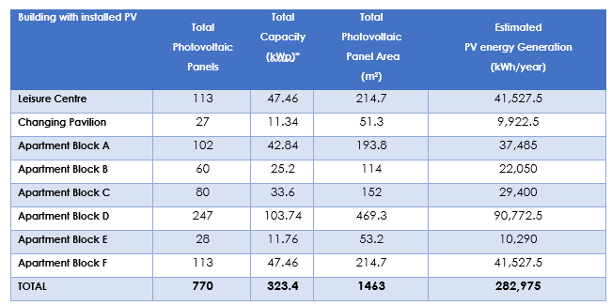 A higher quality image has been included within the revised report to show PV layout on Blocks. The proposed PV has been marked-up where appropriate/feasible. All other areas are allocated roof-mounted plant or terrace areas. All available roof space for PV has been included within the assessement. PV Capacity (kWp) has now been included within the report. | The applicant should provide an updated roof layout that provides commentary/explanation as to why PV is not installed in the areas marked in red. The applicant should also explore the use of PV over the main pool roof of the leisure centre. This item remains outstanding. | An updated roof layout has now been provided in the latest revision L of the energy report, together with commentary explaining why PV panels are not proposed in the areas previously identified and an assessment of the feasibility of installing PV on the main pool roof of the leisure centre. The constraints have been clearly set out. To summarise, The areas in red indicate accessible terraces, accessible podiums, or low level shaded roofs, which aren’t appropriate for PV coverage. The pool roof isn’t flat and wouldn’t facilitate cleaning and maintenance of PV panels – in addition, waterproofing (and the associated corrosion risk) of the pool makes it unsuitable for PV location. | 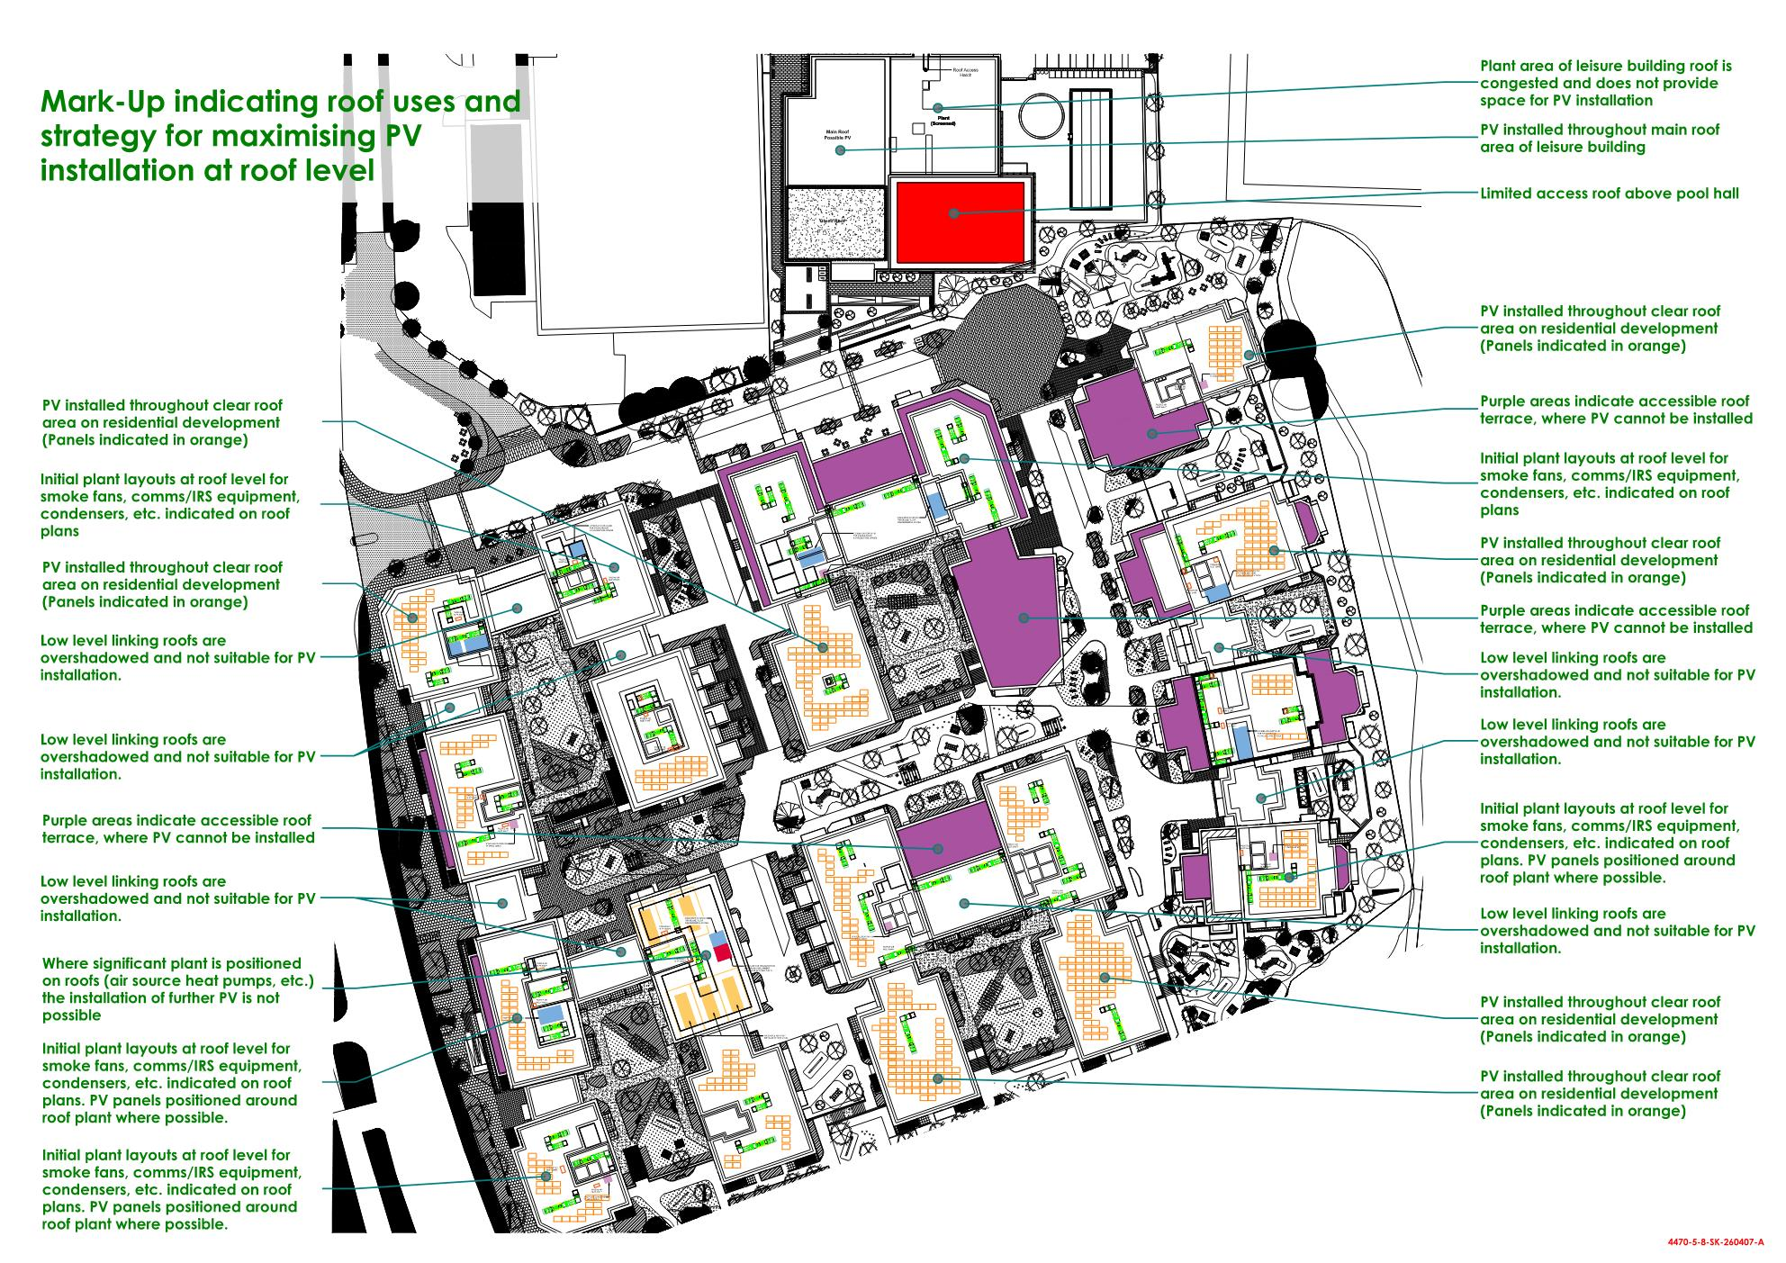
11 | Heat pumps are being proposed in the form of a (centralised) ASHP and VRF system. The SCOPS/SEERS proposed for the non-domestic spaces seem very high and should be revised or robust justification should be provided. Further information on the heat pumps should be provided including: a. An estimate of the heating and/or cooling energy (MWh/annum) the heat pumps would provide to the development and the percentage of contribution to the site’s heat loads. They should demonstrate how the heat fraction from heat pump technologies has been maximised. b. Details of the Seasonal Coefficient of Performance (SCOP) and/or Seasonal Energy Efficiency ratio (SEER) and how these have been calculated for the specific proposed system's operation. This should incorporate the expected heat source and heat distribution temperatures (for space heat and hot water) and the distribution loss factor, which should be calculated based on the above information and used for calculation purposes. | 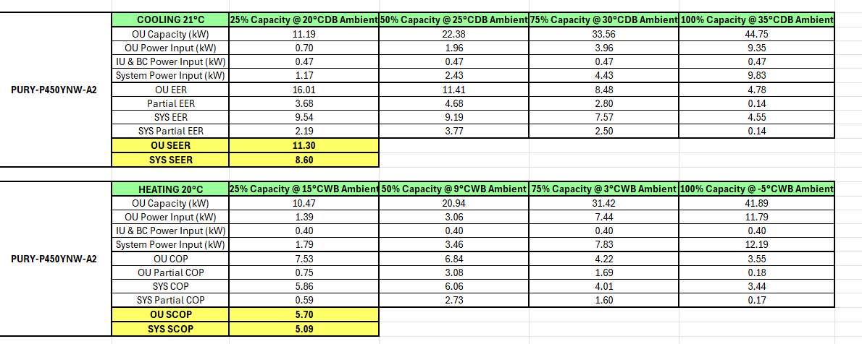 The SCOPs/SEERs have been based upon part load data provided by a supplier on a previous project (as detailed above) The total heat network demand is calculated to be 3600-3800kW. The estimated energy use for space heating and DHW of the ASHPs, for the site served by the heat network, is around 2600 MWh/yr - with the ASHPs providing 95% of the demand. A SCOP of 280% has been used in the SAP calculations - based upon discussions with manufacturers. The heat network will be designed for a flow temperature of 65°C and a variable return temperature, ranging between 25-40°C. The distribution loss factor is based upon the SAP default of 1.5 (worst case) - as this is an unknown until the heat network has been designed. | The residential values seem like a fair reflection of system efficiency. The proposed VRF efficiencies for the be green however seem very high as per initial commentary. These should be revised to provide a more accurate reflection of expected system efficiency. This item remains outstanding. | The VRF efficiency values have been calculated by the equipment supplier inline with the standards used for Building Regulation energy assessment.
Whole Life-Cycle Carbon Assessment
12 | The applicant has submitted a WLC assessment which will be reviewed separately; comments will be provided. The WLC assessment should be presented separately in excel using the GLA's WLC assessment template and should follow the GLA WLC guidance. The template and guidance are available here: https://www.london.gov.uk/what-we-do/planning/implementing-london-plan/london-plan-guidance/whole-life-cycle-carbon-assessments-guidance. Applicants will also be conditioned to submit a post-construction assessment to report on the development’s actual WLC emissions. | A GLA WLC assessment template has been populated for each building of the proposed GNLP development. The excel files for each are as follow (submitted with these reponses): 44470-6-6-CALC-GNLP WLCA GLA Template - Apartment Block A-A 44470-6-6-CALC-GNLP WLCA GLA Template - Apartment Block B-A 44470-6-6-CALC-GNLP WLCA GLA Template - Apartment Block C-A 44470-6-6-CALC-GNLP WLCA GLA Template - Apartment Block D-A 44470-6-6-CALC-GNLP WLCA GLA Template - Apartment Block E-A 44470-6-6-CALC-GNLP WLCA GLA Template - Apartment Block F-A 44470-6-6-CALC-GNLP WLCA GLA Template - Changing Pavilion-A 44470-6-6-CALC-GNLP WLCA GLA Template - Leisure Centre-A | Nothing further required in this energy memo. | -
Be Seen Energy Monitoring
13 | A commitment has been provided that the development will be designed to enable post construction monitoring and that the information set out in the ‘Be Seen’ guidance is submitted to the GLA’s portal at the appropriate reporting stages. This will be secured through suitable legal wording. The 'Be Seen' reporting spreadsheet has been developed to enable development teams to capture all data offline before this is submitted via the webform. Once the planning stage CO2 emissions have been agreed with GLA, the applicant should confirm that the planning stage data has been submitted to GLA. | Once the CO2 emission have been agreed with the GLA, the Be Seen reporting webfrom and Be Seen reporting spreadsheet will be completed by the developer. | This is welcomed, once the planning stage CO2 emissions have been agreed with GLA, the applicant should confirm that the planning stage data has been submitted to GLA. This item remains outstanding. | Confirmation will be provided once the final submission is concluded.
Energy Use Intensity and Space Heating Demand Reporting
14 | EUI and space heating demands have been provided. The applicant has used the Part L1/L2 methodology for these calculations. The applicant has reported the EUI and space heating demand against the reference values in Table 4 of GLA guidance. The applicant should provide commentary if the expected performance differs from the reference values. It appears the applicant has not included unregulated energy use as part EUI calculations. Modelling should be updated and revised figures produced. | The EUI calculations have been updated to include unregulated energy and input into the reporting spreadsheet: 4470-6-1-10-CALC- GNLP Site - Part_l_2021_gla_carbon_emission_reporting_spreadsheet-D Regarding the Residential EUI: The estimated EUI for residential use exceeds the GLA guidance. This is mainly because the regulated energy has been based upon the SAP calcuations which includes defaults that increase energy use, such as the heat network distribution losses. Unregulated energy consumpation has been estimated using the BREDEM (BRE Domestic Energy Model) 2021 methodology (as detailed in the GLA 'Be Seen' energy monitoring guidance). Using the BREDEM method, the calcuated unregulated energy alone yields an EUI of 41 kWh/m2 - this already exceeds the GLA target of 35 kWh/m2 without even including regulated energy. The estimation of the unregulated energy is completely outside the scope of the design of the development and relies solely upon the BREDEM method calculations which could be considered out of date at this point and perhaps not a realistic representation of the likely unregulated loads which are speculative at best. Regarding the non-residential EUI: The estimated EUI for the non-residential areas exceeds the GLA's target, but includes the predicted energy use of the Leisure Centre which is relatively large when considering factors such a pool water heating - and is more in-line with the expected EUI of Leisure Centres. | The provided detail is welcomed. EUI and SHD has been updated. Sufficient commentary has been provided. The applicant should continue to explore ways to reduce the EUI as the design progresses. Nothing further required. | -
Other points

15 | The draft s106 agreement should be submitted when available to evidence the carbon offset agreement with the borough. | LBB Council has provided feedback with a recommendationof a Section 106 agreement based upon the following policy: The Developer will pay the Carbon Offset Contribution to London Borough of Barnet prior to or on Commencement and on the understanding that such contribution will be used to affect the reduction of carbon dioxide emissions within the London Borough of Barnet, and shall not be used for any other purpose. The overall contribution should be calculated over 30 years (the assumed lifetime of the development’s services). This equates to £95 x 30 years = £2,850 per tonne of carbon to be offset. The number of tonnes of carbon emissions in the calculation should be based on the estimated Carbon Reduction Shortfall included within the Energy Strategy submitted with the Application. | The commitment provided is welcomed. The draft s106 agreement should be submitted when available to evidence the carbon offset agreement with the borough. This item remains outstanding. | Agreed.
16 | The applicant should provide the relevant modelling output sheets (i.e. TER, DER, BRUKL) based on any changes to the modelling, for the be lean/ green stage of the energy hierarchy. | Details of full SAP calculations are included in the report appendicies. SAP calculations have been updated and the report revised when the architectrual form (or other applicable) change has occurred. | Updated modelling should be provided as per above commentary. This item remains outstanding. | The modelling has been updated as per above commentary.

Move resolved comments under this section

 | Received; SAP 10.2 proposed and nothing further required
 | Received; SAP 10 proposed and nothing further required
 | Received; SAP 2012 proposed and nothing further required
 | Received; SAP 10.2 proposed but items still outstanding
 | Received; SAP 10 proposed but items still outstanding
 | Received; SAP 2012 proposed but items still outstanding
 | Not yet received - applicant to submit and provide reference --->
 | N/A

