Graph 1
Chart 1: NS-SEC in London and England & Wales
Index
 | London |  | England & Wales
All categories: NS-SeC | 6,549,173 | 100.0% | 45,496,780 | 45496780
1. Higher managerial, administrative and professional occupations | 838,783 | 12.8% | 4,518,653 | 4518653
1.1 Large employers and higher managerial and administrative occupations | 160,510 | 2.5% | 1,047,810 | 1047810
1.2 Higher professional occupations | 678,273 | 10.4% | 3,470,843 | 3470843
2. Lower managerial, administrative and professional occupations | 1,485,859 | 22.7% | 9,333,855 | 9333855
3. Intermediate occupations | 800,898 | 12.2% | 5,931,436 | 5931436
4. Small employers and own account workers | 609,674 | 9.3% | 4,251,501 | 4251501
5. Lower supervisory and technical occupations | 339,945 | 5.2% | 3,265,517 | 3265517
6. Semi-routine occupations | 700,758 | 10.7% | 6,527,483 | 6527483
7. Routine occupations | 516,885 | 7.9% | 5,288,065 | 5288065
8. Never worked and long-term unemployed | 554,819 | 8.5% | 2,664,901 | 2664901
L14.1 Never worked | 429,926 | 6.6% | 1,956,064 | 1956064
L14.2 Long-term unemployed | 124,893 | 1.9% | 708,837 | 708837
Not classified | 701,552 | 10.7% | 3,715,369 | 3715369
L15 Full-time students | 701,552 | 10.7% | 3,715,369 | 3715369
L17 Not classifiable for other reasons | 0 | 0.0% | 0 | 0

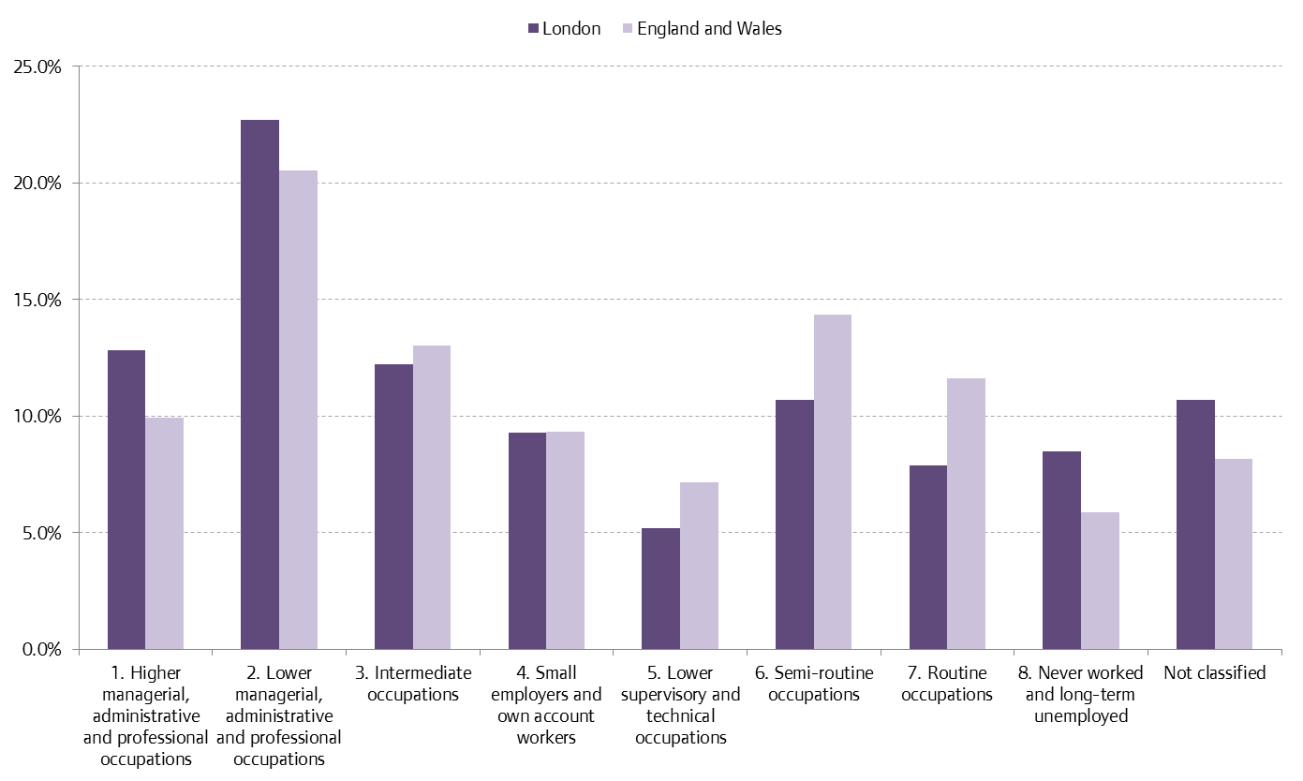

Source: 2011 Census, DC6206EW

Graph 2
Chart 2: Percentage point difference between Males and Females in London
Index
 | Males |  | Females
All categories: NS-SEC | 3,203,018 | 100.0% | 3,346,155 | 100.0%
1. Higher managerial, administrative and professional occupations | 514,014 | 16.0% | 324,769 | 9.7%
2. Lower managerial, administrative and professional occupations | 696,456 | 21.7% | 789,403 | 23.6%
3. Intermediate occupations | 228,290 | 7.1% | 572,608 | 17.1%
4. Small employers and own account workers | 425,289 | 13.3% | 184,385 | 5.5%
5. Lower supervisory and technical occupations | 236,988 | 7.4% | 102,957 | 3.1%
6. Semi-routine occupations | 282,444 | 8.8% | 418,314 | 12.5%
7. Routine occupations | 276,896 | 8.6% | 239,989 | 7.2%
8. Never worked and long-term unemployed | 188,081 | 5.9% | 366,738 | 11.0%
Not classified | 354,560 | 11.1% | 346,992 | 10.4%

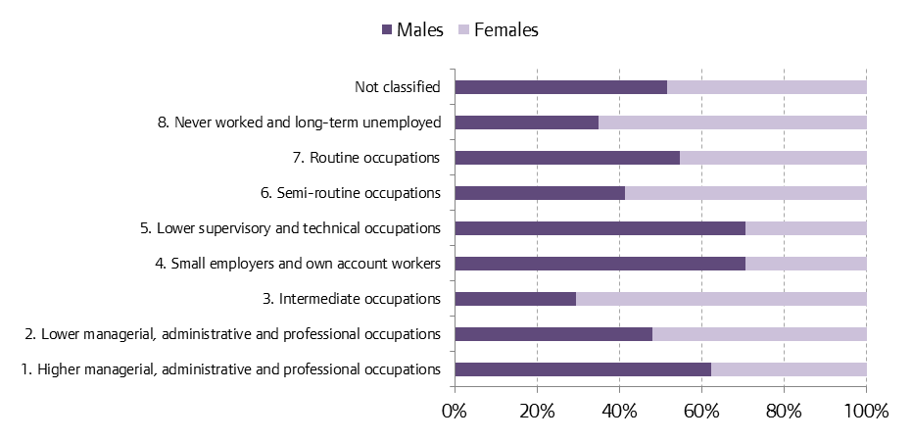

Source: 2011 Census, DC6206EW

Graph 3
Chart 3: Difference between Males and Females by NS-SEC (Net Difference)
Index
 | London |  | England & Wales
 | Males | Females | Males | Females
1. Higher managerial, administrative and professional occupations | 514,014 | 324,769 | 2,997,294 | 1,521,359
2. Lower managerial, administrative and professional occupations | 696,456 | 789,403 | 4,258,785 | 5,075,070
3. Intermediate occupations | 228,290 | 572,608 | 1,492,716 | 4,438,720
4. Small employers and own account workers | 425,289 | 184,385 | 2,965,056 | 1,286,445
5. Lower supervisory and technical occupations | 236,988 | 102,957 | 2,311,452 | 954,065
6. Semi-routine occupations | 282,444 | 418,314 | 2,375,675 | 4,151,808
7. Routine occupations | 276,896 | 239,989 | 2,909,076 | 2,378,989
8. Never worked and long-term unemployed | 188,081 | 366,738 | 1,005,534 | 1,659,367
Not classified | 354,560 | 346,992 | 1,840,426 | 1,874,943

 | London | England & Wales
1. Higher managerial, administrative and professional occupations | 6.3% | 7.0%
2. Lower managerial, administrative and professional occupations | -1.8% | -2.5%
3. Intermediate occupations | -10.0% | -12.3%
4. Small employers and own account workers | 7.8% | 7.9%
5. Lower supervisory and technical occupations | 4.3% | 6.3%
6. Semi-routine occupations | -3.7% | -7.1%
7. Routine occupations | 1.5% | 2.9%
8. Never worked and long-term unemployed | -5.1% | -2.6%
Not classified | 0.7% | 0.3%

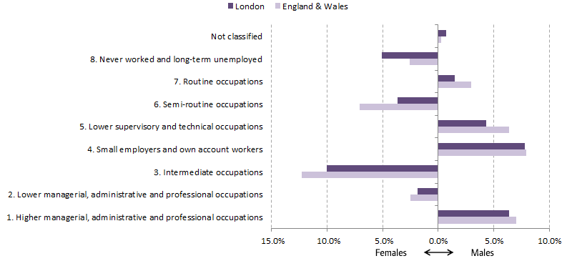

Source: 2011 Census, DC6206EW

Graph 4
Chart 4: NS-SEC in London and England & Wales, 16-24
Index
 | All categories: NS-SeC | 1. Higher managerial, administrative and professional occupations | 2. Lower managerial, administrative and professional occupations | 3. Intermediate occupations | 4. Small employers and own account workers | 5. Lower supervisory and technical occupations | 6. Semi-routine occupations | 7. Routine occupations | 8. Never worked and long-term unemployed | Not classified
London | 1,008,032 | 32,569 | 92,814 | 73,446 | 26,970 | 31,802 | 87,076 | 47,407 | 84,025 | 531,923
% | 100.0% | 3.2% | 9.2% | 7.3% | 2.7% | 3.2% | 8.6% | 4.7% | 8.3% | 52.8%
England & Wales | 6,658,636 | 137,601 | 509,434 | 544,206 | 149,396 | 318,455 | 814,672 | 536,468 | 508,780 | 3,139,624
% | 100.0% | 2.1% | 7.7% | 8.2% | 2.2% | 4.8% | 12.2% | 8.1% | 7.6% | 47.2%

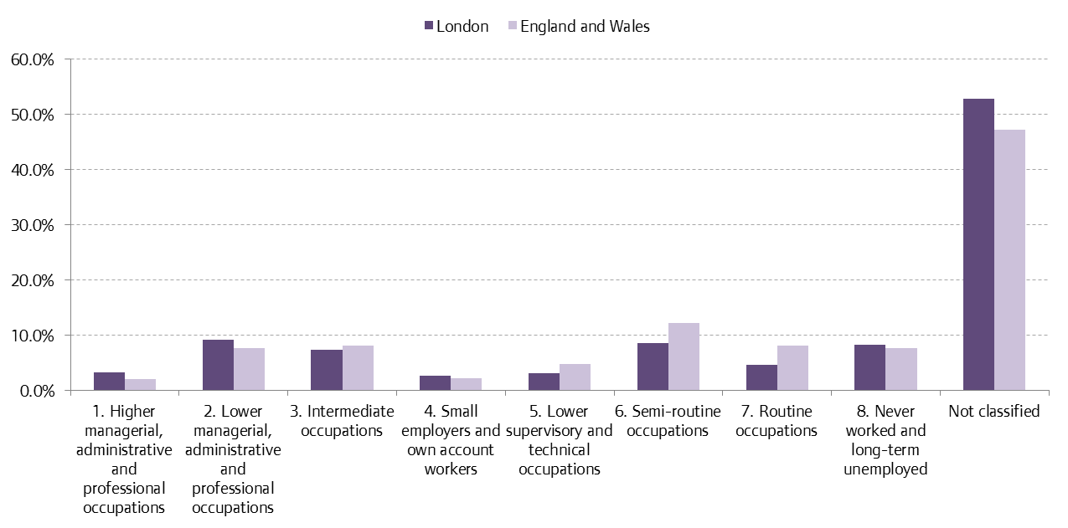

Source: 2011 Census, DC6206EW

Graph 5
Chart 5: NS-SEC in London and England & Wales, 25-49
Index
 | All categories: NS-SeC | 1. Higher managerial, administrative and professional occupations | 2. Lower managerial, administrative and professional occupations | 3. Intermediate occupations | 4. Small employers and own account workers | 5. Lower supervisory and technical occupations | 6. Semi-routine occupations | 7. Routine occupations | 8. Never worked and long-term unemployed | Not classified
London | 3,460,576 | 584,174 | 944,139 | 411,961 | 342,138 | 174,368 | 325,997 | 228,131 | 290,022 | 159,646
% | 100.0% | 16.9% | 27.3% | 11.9% | 9.9% | 5.0% | 9.4% | 6.6% | 8.4% | 4.6%
England & Wales | 19,452,300 | 2,547,501 | 4,858,341 | 2,617,710 | 1,882,554 | 1,384,201 | 2,532,032 | 1,913,237 | 1,191,124 | 525,600
% | 100.0% | 13.1% | 25.0% | 13.5% | 9.7% | 7.1% | 13.0% | 9.8% | 6.1% | 2.7%

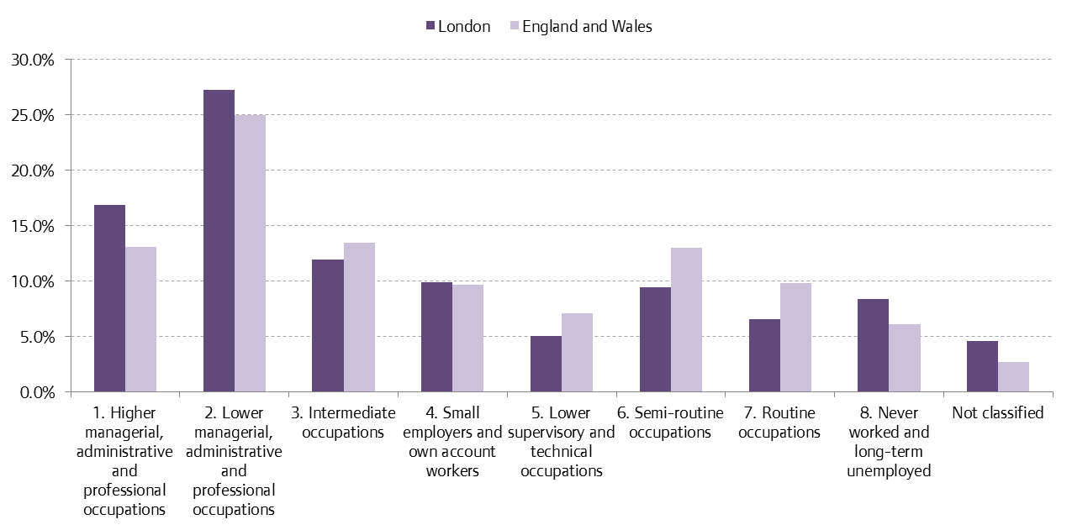

Source: 2011 Census, DC6206EW

Graph 6
Chart 6: NS-SEC in London and England & Wales, 50-64
Index
 | All categories: NS-SeC | 1. Higher managerial, administrative and professional occupations | 2. Lower managerial, administrative and professional occupations | 3. Intermediate occupations | 4. Small employers and own account workers | 5. Lower supervisory and technical occupations | 6. Semi-routine occupations | 7. Routine occupations | 8. Never worked and long-term unemployed | Not classified
London | 1,175,816 | 146,630 | 278,289 | 165,788 | 151,136 | 67,331 | 150,362 | 115,385 | 93,410 | 7,485
% | 100% | 12.5% | 23.7% | 14.1% | 12.9% | 5.7% | 12.8% | 9.8% | 7.9% | 0.6%
England & Wales | 10,162,771 | 1,118,492 | 2,273,059 | 1,400,772 | 1,257,987 | 743,231 | 1,598,521 | 1,314,777 | 420,912 | 35,020
% | 100% | 11.0% | 22.4% | 13.8% | 12.4% | 7.3% | 15.7% | 12.9% | 4.1% | 0.3%

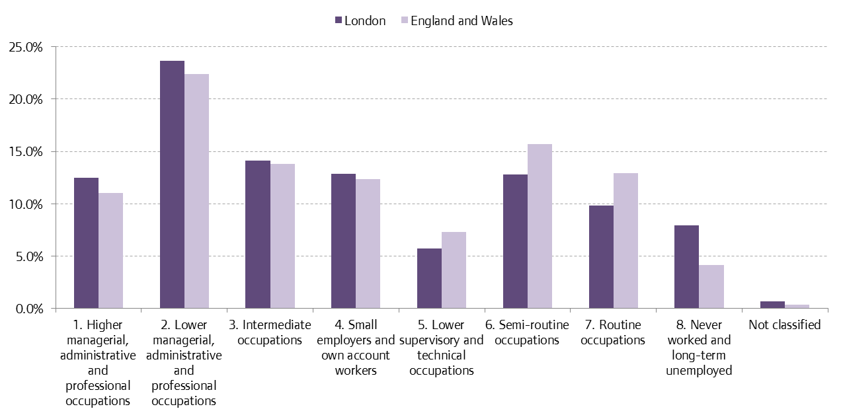

Source: 2011 Census, DC6206EW

Graph 7
Chart 7: NS-SEC in London and England & Wales, 65+
Index
 | All categories: NS-SeC | 1. Higher managerial, administrative and professional occupations | 2. Lower managerial, administrative and professional occupations | 3. Intermediate occupations | 4. Small employers and own account workers | 5. Lower supervisory and technical occupations | 6. Semi-routine occupations | 7. Routine occupations | 8. Never worked and long-term unemployed | Not classified
London | 904,749 | 75,410 | 170,617 | 149,703 | 89,430 | 66,444 | 137,323 | 125,962 | 87,362 | 2,498
% | 100% | 8.3% | 18.9% | 16.5% | 9.9% | 7.3% | 15.2% | 13.9% | 9.7% | 0.3%
England & Wales | 9,223,073 | 715,059 | 1,693,021 | 1,368,748 | 961,564 | 819,630 | 1,582,258 | 1,523,583 | 544,085 | 15,125
% | 100% | 7.8% | 18.4% | 14.8% | 10.4% | 8.9% | 17.2% | 16.5% | 5.9% | 0.2%

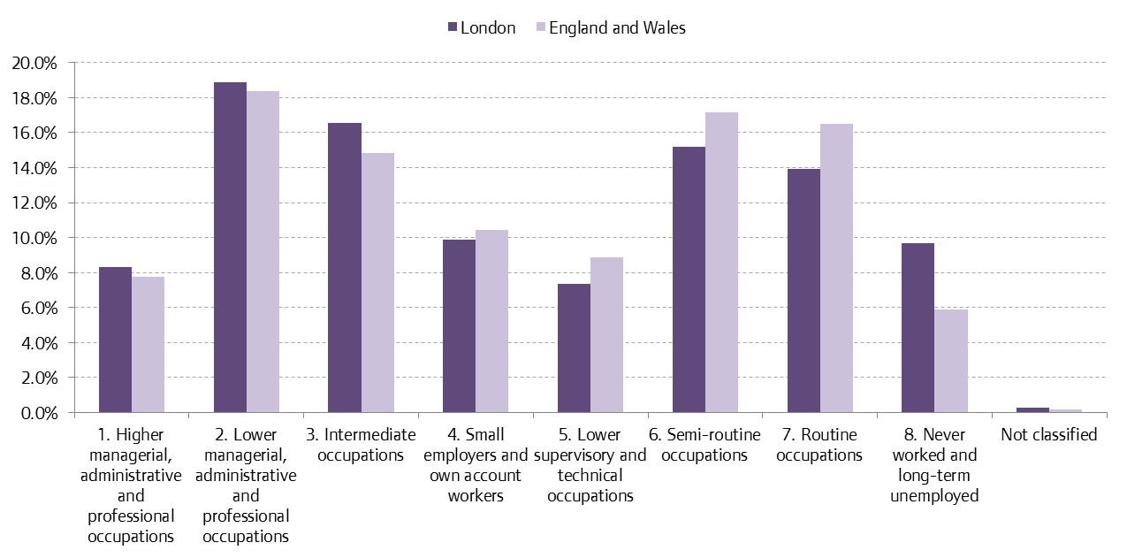

Source: 2011 Census, DC6206EW

Graph 8
Chart 8: NS-SEC by ‘White’ Ethnic Group
Index
 | White: Total | White: English/Welsh/Scottish/Northern Irish/British | White: Irish | White: Gypsy or Irish Traveller | White: Other White
1. Higher managerial, administrative and professional occupations | 596,902 | 446,128 | 22,363 | 213 | 128,198
2. Lower managerial, administrative and professional occupations | 1,060,103 | 816,209 | 44,079 | 547 | 199,268
3. Intermediate occupations | 549,473 | 454,544 | 19,434 | 264 | 75,231
4. Small employers and own account workers | 437,901 | 279,297 | 17,091 | 700 | 140,813
5. Lower supervisory and technical occupations | 222,831 | 164,757 | 9,206 | 195 | 48,673
6. Semi-routine occupations | 411,593 | 319,557 | 18,522 | 453 | 73,061
7. Routine occupations | 339,069 | 237,746 | 18,874 | 551 | 81,898
8. Never worked and long-term unemployed | 227,487 | 157,250 | 9,301 | 1,932 | 59,004
Not classified | 288,623 | 200,918 | 6,549 | 530 | 80,626

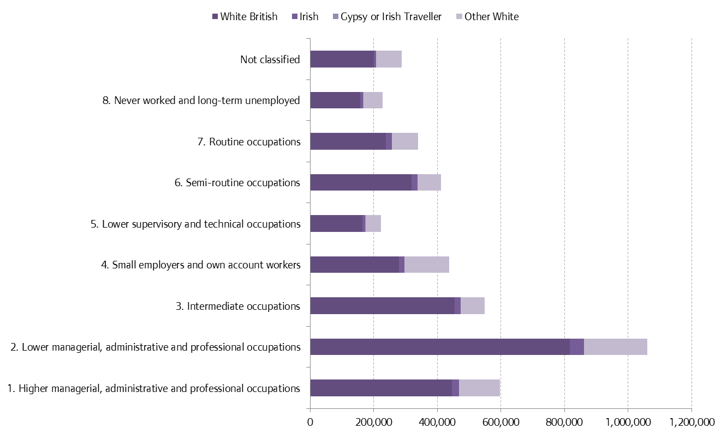

Source: 2011 Census, DC6206EW

Graph 9
Chart 9: NS-SEC by ‘Mixed/multiple ethnic group’
Index
 | Mixed/multiple ethnic group: Total | Mixed/multiple ethnic group: White and Black Caribbean | Mixed/multiple ethnic group: White and Black African | Mixed/multiple ethnic group: White and Asian | Mixed/multiple ethnic group: Other Mixed
1. Higher managerial, administrative and professional occupations | 23006 | 3946 | 2963 | 8011 | 8086
2. Lower managerial, administrative and professional occupations | 46910 | 11708 | 6590 | 13343 | 15269
3. Intermediate occupations | 24835 | 7869 | 3387 | 6107 | 7472
4. Small employers and own account workers | 15704 | 3840 | 2315 | 4117 | 5432
5. Lower supervisory and technical occupations | 11053 | 3420 | 1858 | 2296 | 3479
6. Semi-routine occupations | 23807 | 8575 | 3720 | 4668 | 6844
7. Routine occupations | 16276 | 5323 | 2913 | 2733 | 5307
8. Never worked and long-term unemployed | 23801 | 8604 | 4135 | 4940 | 6122
Not classified | 44494 | 12725 | 7502 | 11424 | 12843

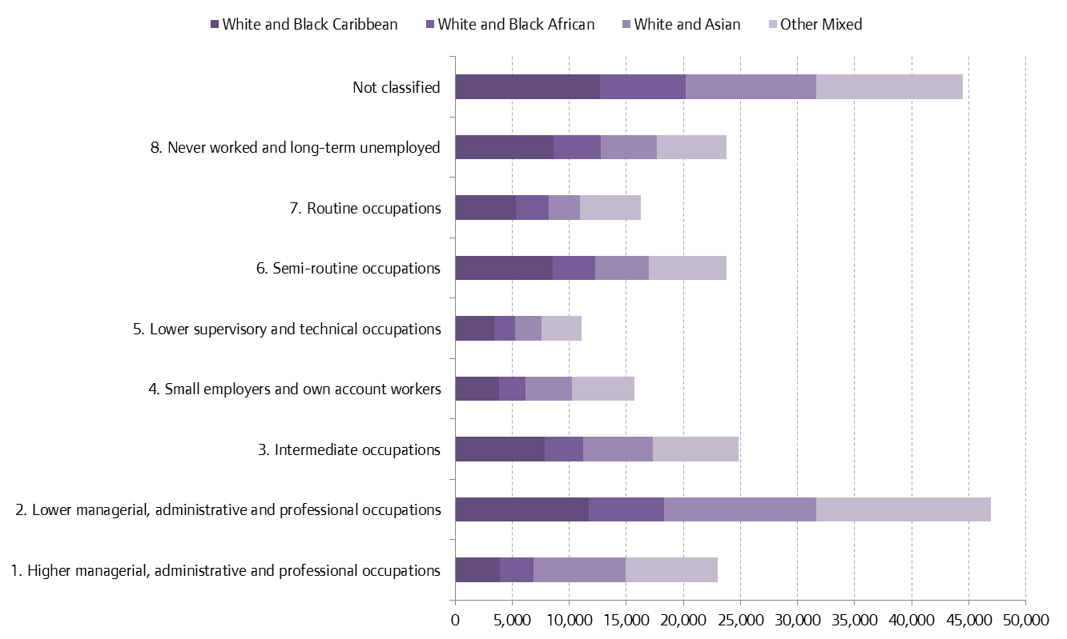

Source: 2011 Census, DC6206EW

Graph 10
Chart 10: NS-SEC by ‘Asian/British Asian’
Index
 | Asian/Asian British: Total | Asian/Asian British: Indian | Asian/Asian British: Pakistani | Asian/Asian British: Bangladeshi | Asian/Asian British: Chinese | Asian/Asian British: Other Asian
1. Higher managerial, administrative and professional occupations | 144660 | 72979 | 15401 | 6780 | 19880 | 29620
2. Lower managerial, administrative and professional occupations | 200236 | 88467 | 22416 | 16151 | 21299 | 51903
3. Intermediate occupations | 121188 | 56539 | 14242 | 12477 | 8976 | 28954
4. Small employers and own account workers | 92388 | 36108 | 15384 | 8900 | 8092 | 23904
5. Lower supervisory and technical occupations | 55127 | 19127 | 6139 | 9064 | 5701 | 15096
6. Semi-routine occupations | 136427 | 52179 | 17043 | 18316 | 7409 | 41480
7. Routine occupations | 76177 | 31409 | 8624 | 9772 | 4485 | 21887
8. Never worked and long-term unemployed | 162750 | 42146 | 32178 | 38123 | 8566 | 41737
Not classified | 201072 | 56817 | 31451 | 29813 | 26182 | 56809

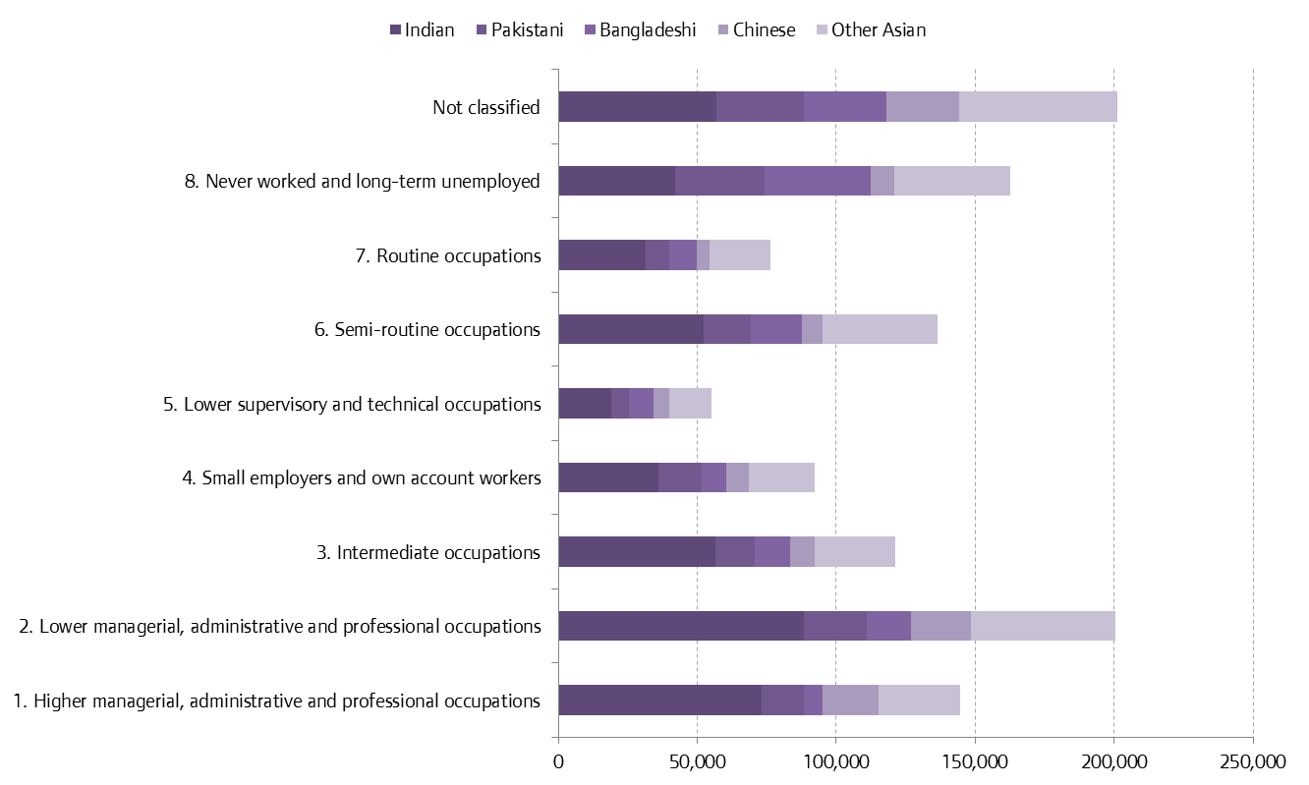

Source: 2011 Census, DC6206EW

Graph 11
Chart 11: NS-SEC by ‘Black/African/Caribbean/Black British’
Index
 | Black/African/Caribbean/Black British: Total | Black/African/Caribbean/Black British: African | Black/African/Caribbean/Black British: Caribbean | Black/African/Caribbean/Black British: Other Black
1. Higher managerial, administrative and professional occupations | 52910 | 28970 | 17439 | 6501
2. Lower managerial, administrative and professional occupations | 144630 | 69353 | 57544 | 17733
3. Intermediate occupations | 89004 | 35609 | 41748 | 11647
4. Small employers and own account workers | 44638 | 21621 | 16995 | 6022
5. Lower supervisory and technical occupations | 39482 | 17239 | 17303 | 4940
6. Semi-routine occupations | 108935 | 54066 | 41870 | 12999
7. Routine occupations | 67137 | 30141 | 28705 | 8291
8. Never worked and long-term unemployed | 102720 | 59124 | 27572 | 16024
Not classified | 129812 | 82545 | 28578 | 18689

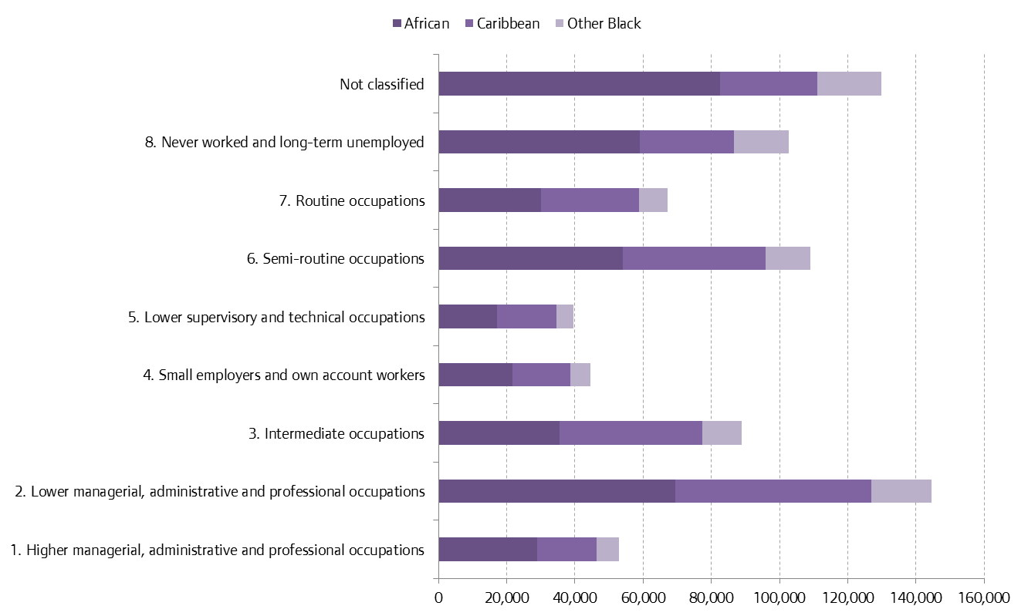

Source: 2011 Census, DC6206EW

Graph 12
Chart 12: NS-SEC by ‘Other ethnic group’
Index
 | Other ethnic group: Total | Other ethnic group: Arab | Other ethnic group: Any other ethnic group
1. Higher managerial, administrative and professional occupations | 21305 | 8407 | 12898
2. Lower managerial, administrative and professional occupations | 33980 | 11260 | 22720
3. Intermediate occupations | 16398 | 4825 | 11573
4. Small employers and own account workers | 19043 | 5485 | 13558
5. Lower supervisory and technical occupations | 11452 | 4004 | 7448
6. Semi-routine occupations | 19996 | 5751 | 14245
7. Routine occupations | 18226 | 4736 | 13490
8. Never worked and long-term unemployed | 38061 | 16676 | 21385
Not classified | 37551 | 15782 | 21769

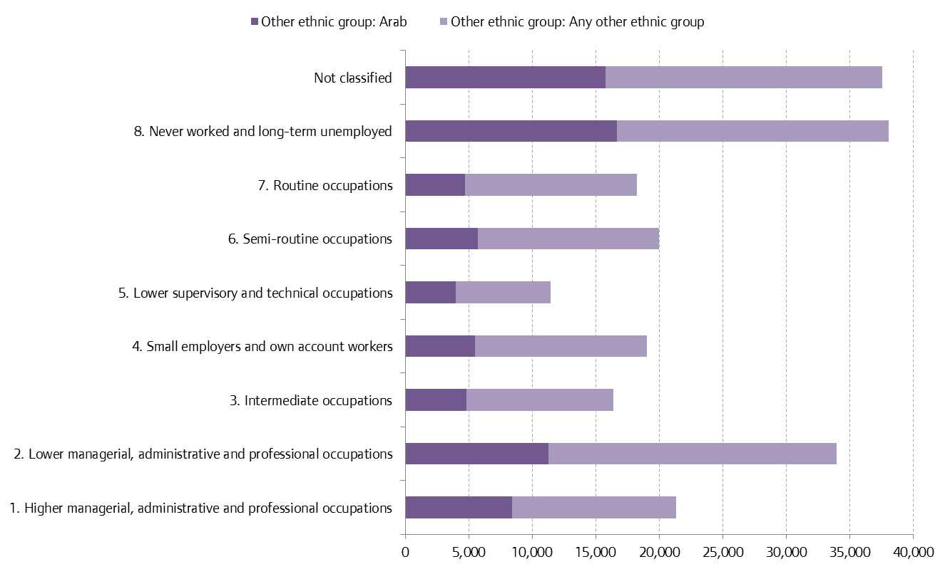

Source: 2011 Census, DC6206EW

