Notes
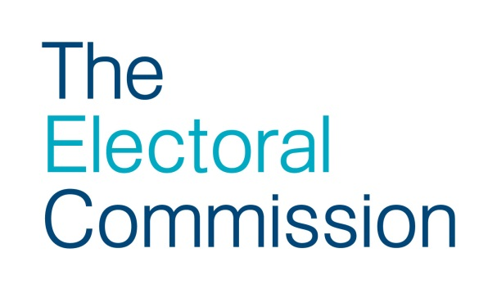
All data were collected from (Acting) Returning Officers, Electoral Registration Officers and the Electoral Office for Northern Ireland on the Electoral Commission's behalf, by the Elections Centre at the University of Plymouth.
Where a cell is blank this is because the relevant data was not available and/or was not returned. Where it is marked N/A this is what was entered on the data returned.
Sub-categories of postal vote rejection may not add up to the total number rejected due to inconsistencies in some data returns and in the forms used to collect data.
Turnout, as a proportion of the registered electorate, can be measured in a number of ways: Valid vote turnout includes only valid votes, ie it excludes all rejected ballots.
Ballot box turnout (the figure used by the Electoral Commission) includes all votes cast at a polling station (including all those votes rejected at the count) and valid postal votes.
Total participation turnout includes all ballots including those rejected at the count and rejected postal votes.

